Summary
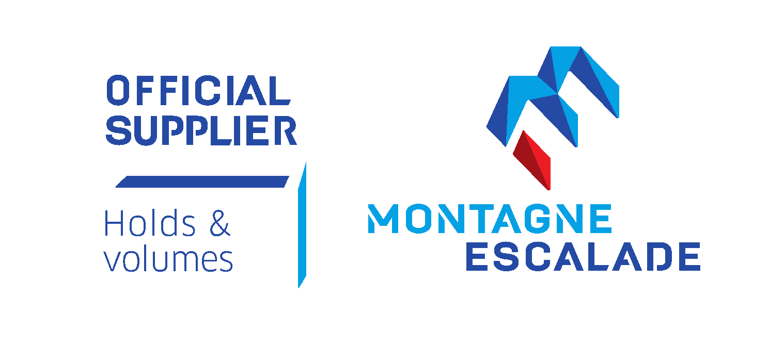
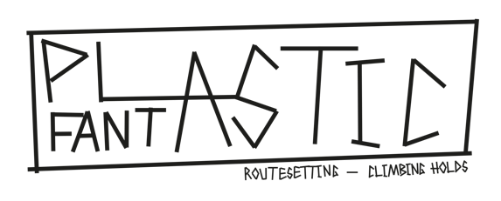


ORDER FORM 01/02/2022
(all prices are without VAT)

Invoice address

Delivery address

SUMMARY OF YOUR ORDER :
PU Holds | CHF0.00
PE Holds | CHF0.00
Fiberglass Volumes | CHF0.00
Wooden Volumes | CHF0.00
Training | CHF0.00

Total | CHF0.00

