VOLUME BUY Sheet
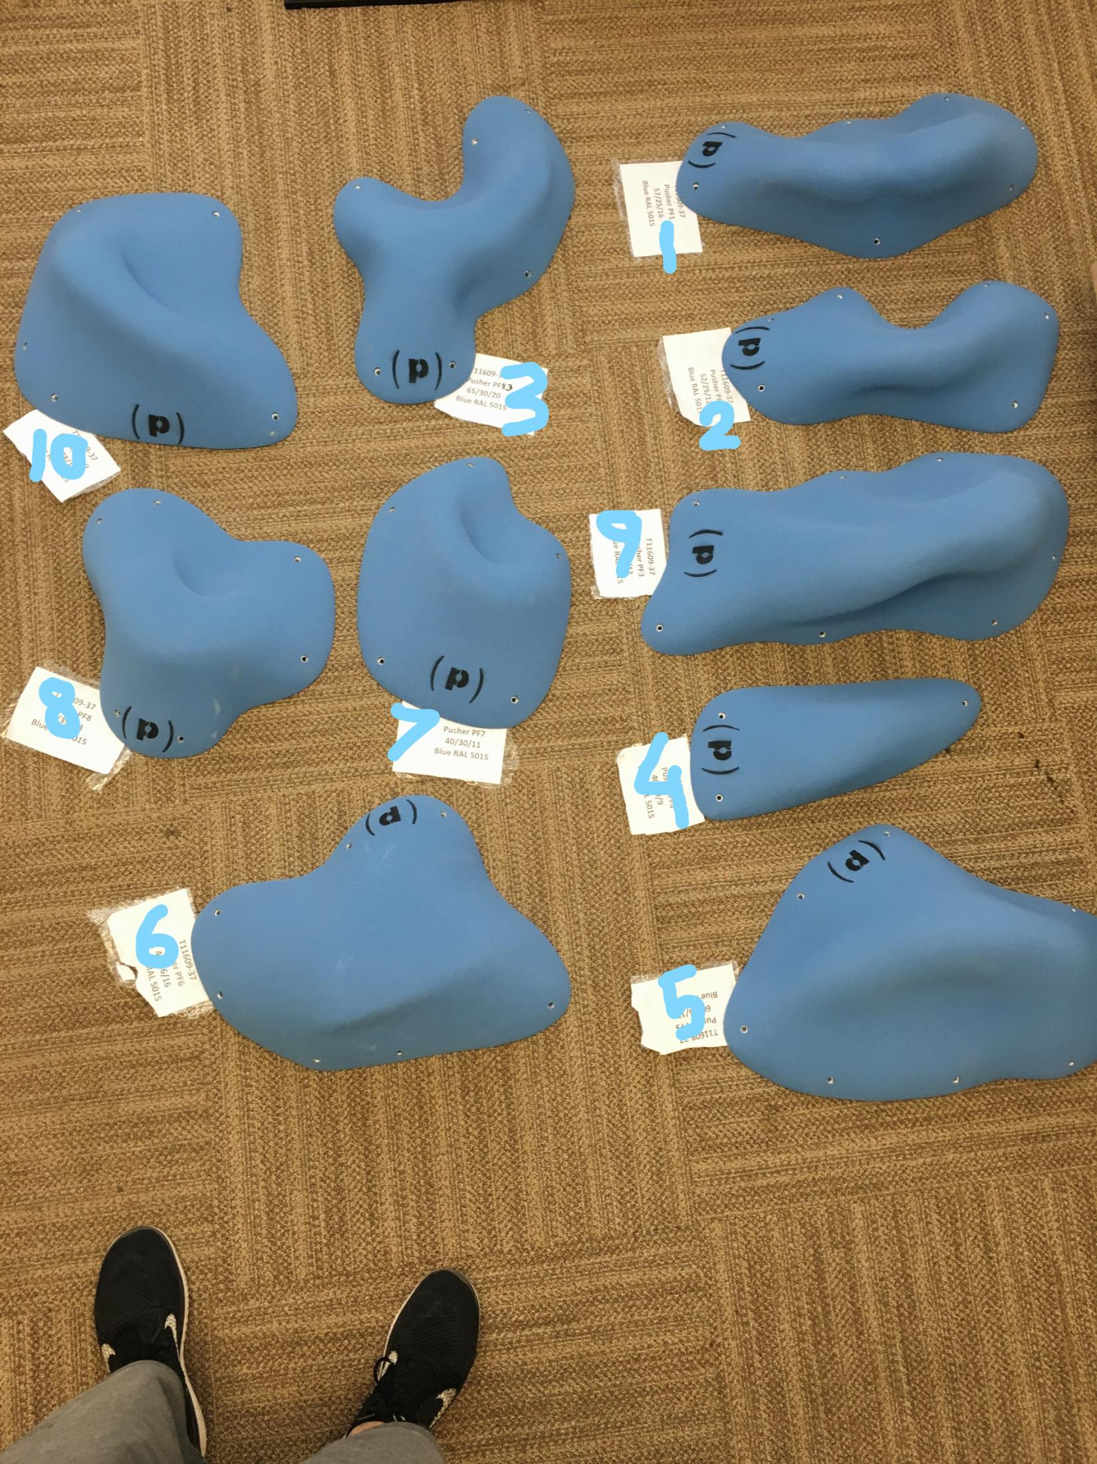
Click To Go To
HOLDS
Click To Go SUMMARY
 | PUSHER, LLC

HOW TO COMPLETE THIS ORDER FORM:
VOLUMES: | Type the Number of Units you Want into the Cell that corresponds to
 | COLOR you want. You may order complete sets of all 10 volumes in a single color below.
HOLDS: | Go to the HOLDS BUY Sheet and enter what you want following the instructions provided
 | THEN, GO TO THE HOLDS BUY SHEET AND TYPE IN YOUR NAME AND 'SHIP TO' INFORMATION. EMAIL IT TO US.
ID # | Fiberglass Volumes | Size in cm | Quantity | Unit RETAIL | EXTENDED RETAIL AMOUNT | Silver Gray 7001 | Yellow 1018 | Red 3020 | Blue 5015 | Green 6001 | Fluoro Green | Black 9005 | White 9003 | Fluoro Pink | Orange 2003 | Fluoro Orange

 | Fiberglass vol Pusher PF1 | 57/25/16 | 0 | CHF177.80 | CHF0.00
 | Fiberglass vol Pusher PF2 | 52/25/12 | 0 | CHF167.90 | CHF0.00
 | Fiberglass vol Pusher PF3 | 52/30/12 | 0 | CHF170.00 | CHF0.00
 | Fiberglass vol Pusher PF4 | 40/19/9 | 0 | CHF135.00 | CHF0.00
 | Fiberglass vol Pusher PF5 | 60/35/17 | 0 | CHF192.10 | CHF0.00
 | Fiberglass vol Pusher PF6 | 47/36/16 | 0 | CHF183.10 | CHF0.00
 | Fiberglass vol Pusher PF7 | 40/30/11 | 0 | CHF152.20 | CHF0.00
 | Fiberglass vol Pusher PF8 | 35/39/13 | 0 | CHF157.70 | CHF0.00
 | Fiberglass vol Pusher PF9 | 65/30/20 | 0 | CHF196.00 | CHF0.00
 | Fiberglass vol Pusher PF10 | 46/38/15 | 0 | CHF187.90 | CHF0.00

TOTAL ORDER QTY. and AMOUNT |  |  | 0 | CHF0.00 | CHF0.00 | 0 | 0 | 0 | 0 | 0 | 0 | 0 | 0 | 0 | 0 | 0

E-Z ORDER
TO ORDER COMPLETE VOLUME CATALOGUE |  | 10 | 0 | CHF1,685.40 | CHF0.00
Send me 1 of each of the Volumes in Catalogue, all the same color, times the number entered for each color in row 27

ORDER SUMMARY Sheet
Click To Go To
HOLDS
Click To Go To VOLUMES

HOLDS | RED | BLACK | SKY BLUE | ORANGE US 14-01 | FLUORO ORANGE | GREEN US 16-09 | GREEN 16-16 | FLUORO GREEN | PURPLE US 07-13 | SIGNAL VIOLET | BRIGHT YELLOW | WHITE | FLUORO PINK | TOTAL

Total Number Sets Ordered: (Standard + EZ Order Complete Sets) | 0 | 0 | 0 | 0 | 0 | 0 | 0 | 0 | 0 | 0 | 0 | 0 | 0 | 0

VOLUMES | Silver Gray 7001 | Yellow 1018 | Red 3020 | Blue 5015 | Green 6001 | Fluoro Green | Black 9005 | White 9003 | Fluoro Pink | Orange 2003 | Fluoro Orange |  |  | TOTAL

Total Number Volumes Ordered: (Standard + EZ Order Complete Sets) | 0 | 0 | 0 | 0 | 0 | 0 | 0 | 0 | 0 | 0 | 0 |  |  | 0

